CNN
cnn

 | Test # 1 |  | Test # 2
 | Optimizer | adam | Optimizer | adam
 | loss | binary_entropy | loss | binary_entropy
 | metrics | accuracy | metrics | accuracy
 | layers | modeloCNN = tf.keras.models.Sequential([ tf.keras.layers.Conv2D(32, (3,3), activation='relu', input_shape=(100, 100, 1)), tf.keras.layers.MaxPooling2D(2, 2), tf.keras.layers.Conv2D(64, (3,3), activation='relu'), tf.keras.layers.MaxPooling2D(2, 2), tf.keras.layers.Conv2D(128, (3,3), activation='relu'), tf.keras.layers.MaxPooling2D(2, 2), tf.keras.layers.Flatten(), tf.keras.layers.Dense(100, activation='relu'), tf.keras.layers.Dense(1, activation='sigmoid') ]) | layers | modeloCNN = tf.keras.models.Sequential([ tf.keras.layers.Conv2D(128, (3,3), activation='relu'), tf.keras.layers.MaxPooling2D(2, 2), tf.keras.layers.Conv2D(64, (3,3), activation='relu'), tf.keras.layers.MaxPooling2D(2, 2), tf.keras.layers.Conv2D(32, (3,3), activation='relu', input_shape=(100, 100, 1)), tf.keras.layers.MaxPooling2D(2, 2), tf.keras.layers.Flatten(), tf.keras.layers.Dense(100, activation='relu'), tf.keras.layers.Dense(1, activation='sigmoid') ])

 | ephocs | 100 | ephocs | 100
 | ephocs graphics | 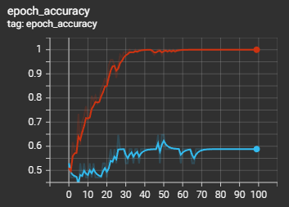 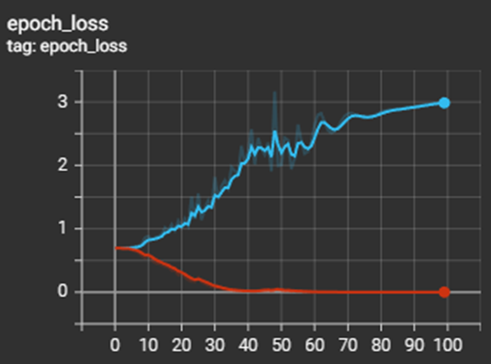 | ephocs graphics | 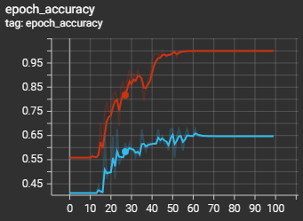 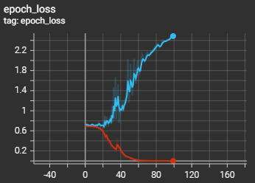

 | Accuracy train |  | Accuracy train | 1
 | Accuracy test |  | Accuracy test | 0.64
 | Loss train |  | Loss train | 1.16E-03
 | Loss test |  | Loss test | 2.482

 | Test # 3 |  | Test # 4
 | Optimizer | adam | Optimizer | adam
 | loss | binary_entropy | loss | binary_entropy
 | metrics | accuracy | metrics | accuracy
 | layers | modeloCNN = tf.keras.models.Sequential([ tf.keras.layers.Conv2D(128, (3,3), activation='relu', input_shape=(100, 100, 1)), tf.keras.layers.MaxPooling2D(3, 2), tf.keras.layers.Conv2D(64, (3,3), activation='relu'), tf.keras.layers.MaxPooling2D(3, 2), tf.keras.layers.Conv2D(32, (3,3), activation='relu'), tf.keras.layers.MaxPooling2D(3, 2), tf.keras.layers.Flatten(), tf.keras.layers.Dense(100, activation='relu'), tf.keras.layers.Dense(1, activation='sigmoid') ]) | layers | modeloCNN = tf.keras.models.Sequential([ tf.keras.layers.Conv2D(128, (3,3), activation='relu', input_shape=(100, 100, 1)), tf.keras.layers.Dropout(0.2), tf.keras.layers.MaxPooling2D(3, 2), tf.keras.layers.Conv2D(64, (3,3), activation='relu'), tf.keras.layers.Conv2D(64, (3,3), activation='relu'), tf.keras.layers.MaxPooling2D(3, 2), tf.keras.layers.Conv2D(32, (3,3), activation='relu'), tf.keras.layers.MaxPooling2D(3, 2), tf.keras.layers.Conv2D(128, (3,3), activation='relu', input_shape=(100, 100, 1)), tf.keras.layers.MaxPooling2D(3, 2), tf.keras.layers.Conv2D(64, (3,3), activation='relu'), tf.keras.layers.Flatten(), tf.keras.layers.Dense(100, activation='relu'), tf.keras.layers.Dense(1, activation='sigmoid') ])

 | ephocs | 100 | ephocs | 100
 | ephocs graphics | 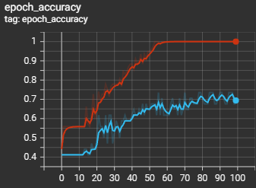 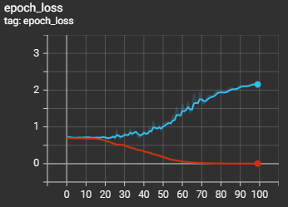 | ephocs graphics | 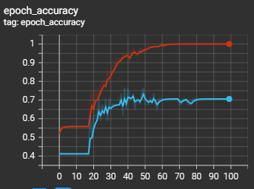 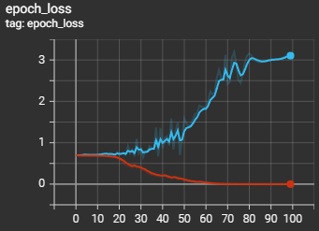

 | Accuracy train | 1 | Accuracy train | 1
 | Accuracy test | 0.67 | Accuracy test | 0.7
 | Loss train | 1.89E-03 | Loss train | 1.50E-04
 | Loss test | 2.157 | Loss test | 3.1

 | Test # 5 |  | Test # 6
 | Optimizer | adam | Optimizer | adam
 | loss | binary_entropy | loss | binary_entropy
 | metrics | accuracy | metrics | accuracy
 | layers |  | layers

 | ephocs | 100 | ephocs | 100
 | ephocs graphics |  | ephocs graphics

 | Accuracy train |  | Accuracy train
 | Accuracy test |  | Accuracy test
 | Loss train |  | Loss train
 | Loss test |  | Loss test

